Consignment List

MAJ Sept 25
 | CONSIGNMENT LIST

 | One Soul Many Stories Pte Ltd
 | www.onesoulmanystories.com |  |  | HOW TO COMPLETE YOUR CONSIGNMENT LIST
 | Email: team@onesoulmanystories.com |  |  | 1- Fill out your list using the drop down menu in each cell, starting from the "Category" column
 | Tel: +65 9421 3433 / +65 9724 3036 |  |  | 2- If needed you can select "OTHER" from the menu and specify in the last column "Additional infos"
 |  |  |  | 3- Rename & Save your list in Excel / Google sheet format only before sending it to team@onesoulmanystories.com latest 72 hours prior to your consignment appointment.

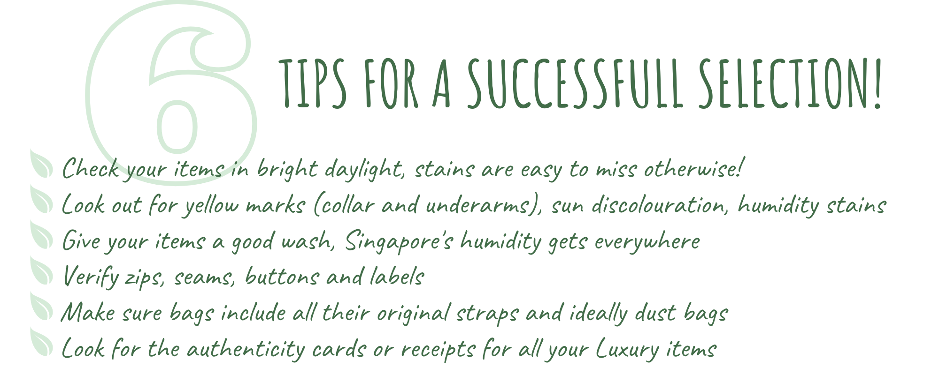
 | Date

 | Surname
 | First name
 | Full address Address line
 |  | Floor - Unit
 |  | Postcode
 | Phone
 | Email
 | Nationality
 | Payment method |  | Please select
 |  |  |  |  |  |  | Need more help with your selection? You can check our | Consignment Guide

 | No | Category (start your list here for the menus to work) | Item (Use the arrow to scroll down) | Brand (if not in the list select "OTHER" and specify in last column) | Colour / Print | Composition (Indicate the main material) | Size (Use the arrow to scroll down) | Condition | Additional infos (Essential details about the item only)
 | 1 | Please select
 | 2 | Please select
 | 3 | Please select
 | 4 | Please select
 | 5 | Please select
 | 6 | Please select
 | 7 | Please select
 | 8 | Please select
 | 9 | Please select
 | 10 | Please select
 | 11 | Please select
 | 12 | Please select
 | 13 | Please select
 | 14 | Please select
 | 15 | Please select
 | 16 | Please select
 | 17 | Please select
 | 18 | Please select
 | 19 | Please select
 | 20 | Please select
 | 21 | Please select
 | 22 | Please select
 | 23 | Please select
 | 24 | Please select
 | 25 | Please select
 | 26 | Please select
 | 27 | Please select
 | 28 | Please select
 | 29 | Please select
 | 30 | Please select
 | 31 | Please select
 | 32 | Please select
 | 33 | Please select
 | 34 | Please select
 | 35 | Please select
 | 36 | Please select
 | 37 | Please select
 | 38 | Please select
 | 39 | Please select
 | 40 | Please select
 | MAX 40 PCS PER CONSIGNMENT

 | Notes:
 | The duration of the consignment period (for selected items) is limited to 1 year and will include a minimum of one pop up sale event. One Soul Many Stories reserves the right to return unsold items at anytime before the end of the consignment period.
 | The seller cannot retrieve a selected and approved item within 3 weeks from the start of a sale event.
 | Please read carefully our consignment terms & conditions available on our website |  |  |  | www.onesoulmanystories.com/terms-conditions

 | To help boost the sale during the last day of the pop up, we might decide to organise sales. A 20% discount will be applied on the selling price in that case.
 | There is no obligation to participate to this operation and you can opt out by ticking the box below.
 |  | I do not want to participate to the sales operation

 | The below will be filled by the OSMS team
 | Date of Collection/Pick Up

 | Number of items selected by OSMS

 | Signature of the seller

